CI_CD workflow for UKC0
Continuous Integration and Continuous Deployment Workflow for UKC0 - TradeLink |  | Back

Overview
Continuous Delivery (CD) enables us to reduce risk by delivering more frequently for UKC0 application. The cycle starts right from Single Code Line Management/ Continuous Integration, Continuous Build/Test/Deployment Automation, Zero Downtime Deployment - are the means to achieving this purpose. One of the sub concepts of achieving the Continuous Delivery is by Continuous Integration and Continuous Deployment (CICD). This helps in delivering software with a high consistent quality through automated and faster build and deployments. The tasks begin from source code management, controlled check-ins, builds and deployments along with build and environment verification testing. Enabling this process helps in: Reduced Time to Market - Improved Engineering Agility - Cycle Time Reduction.

CI/CD workflow for UKC0

SCM
CI
Deployment Automation
Artifacts
Build
Dev/IST
QAT
UAT
Log Management, Reports and Monitoring
Reports
Trigger Build
Pull Artifacts
Deploy
Artifacts
Build Definition
TFS Version Control
MSBuild
TFS
Source Code Repository
Continuous Integration
PROD_SCC
PROD_GCC
Dev Lead
Sign Off
QA Lead
Approval
Release Definition
QA Lead
Approval
Prod
Approval
On-
Demand
Reports
dev
sai
fg
DC
DC
DC
Tool
CI/CD Phases
Environments
Legend:

Change Management

TFS Workitems

Workflow Description
Implementation Phase:
1. TFS Version Control is used as a central code repository for maintaining the distributed source code of UKC0, which handles the source code changes, source code versioning, merging strategy, parallel development, auditory information & Approval process across the organization.

Continuous Integration Phase:
2. TFS Build Definition is used as Continuous integration tool which integrates with the Github tool to fetch the source code and invokes the build tool to build the source code and deploy the build artifacts into the target environments.
 | TFS Build Definitions
 | UKC0_SubApp_IAGPenalty
 | UKC0_SubApp_Firms

Continuous Deployment Phase:
3. TFS Release Definition is used for Automation Deployment of Build artifacts to Dev, QA-OnRamp, QA,UAT, PROD & PROD Support environments, configuring the Environment Approval process, Notifications and providing the Inventory & Auditory information across all the environments.
4.1 All the versions of Sub Applications artifacts are stored in TFS Artifacts
4.2 Initially artifacts under the specific version of component UKC0_<Components> from TFS artifacts are deployed on demand to Dev environment.
4.3 Once the testing is successful in Dev environment, post the sign off from Dev Lead and approval from QA lead the same artifacts version is moved into the QAT environment.
4.4 Once the testing is successful in QA-OnRAMP environment, Same Artifacts version is deployed into UAT environment, post approval from QA lead.
4.5 Once the testing is successful in UAT environment, Same Artifacts version is deployed into PROD environment, post approval from PROD approver.
 | TFS Release Definitions
 | UKC0_DevOps_IMSUtility
 | UKC0_DevOps_IMSScheduledTasks
 | UKC0_DevOps_IMSScheduledTasks
 | UKC0_DevOps_ ConnectionStrings

TFS Build Definition Details
UKC0:: Build Definition details |  |  | Back

URL | http://rbctfs2017.fg.rbc.com:8080/tfs/DefaultCollection/_projects
Project Name | UKC0
Build Definitions | UKC0_SubApp_IAGPenalty UKC0_SubApp_Firms
Release number Format | $(Build.DefinitionName)_1.0.0.$(Build.BuildId).zip

Source Code Management

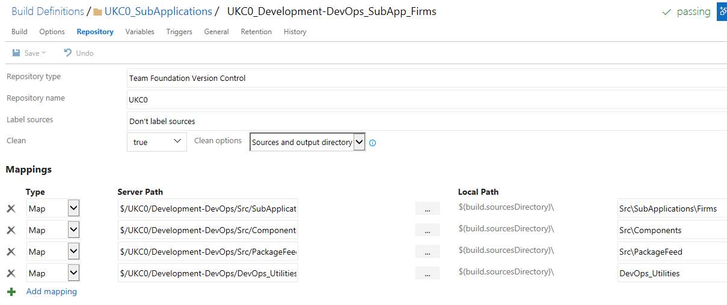

Build Server Details

 | Build Server | 10.240.149.69
 | Login Credentials | DEVACCOUNTS\USERID

Build Definition Tasks

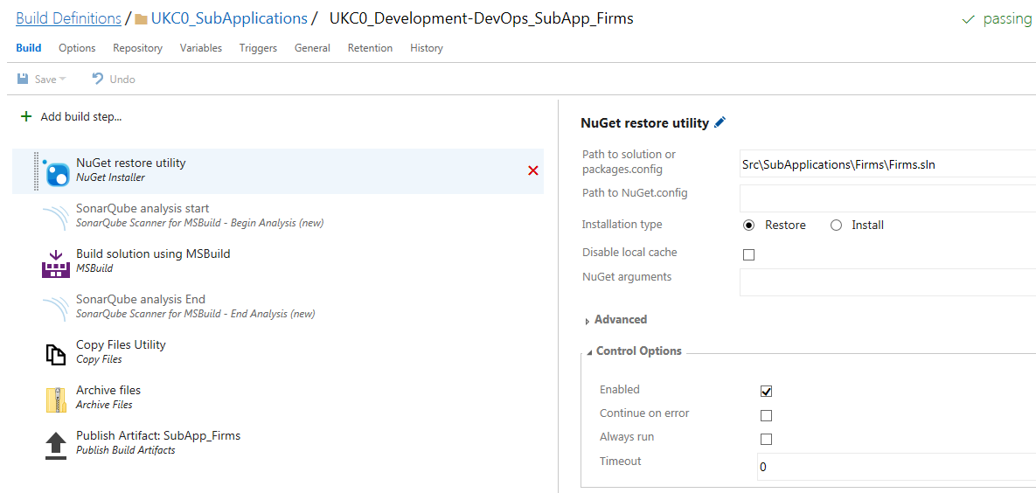

Build Definition Template

Please use Build Definition Template

Trigger Build

 | 1. Open Build Definition

 | 2. Click on Que

 | 3. Select Build Queue and click on OK button

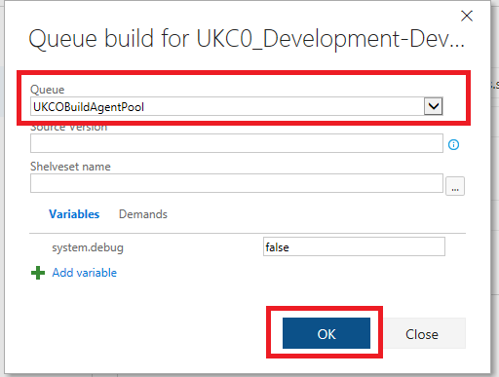

 | 4. Build Logs

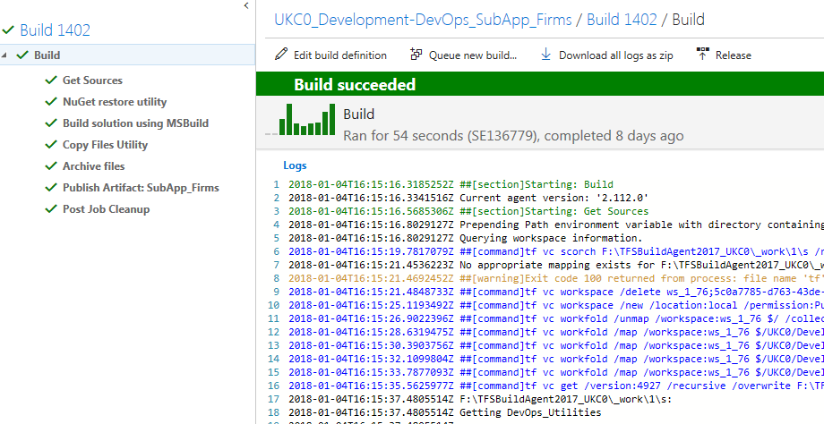

 | 5. Artifacts

AgentInstallation
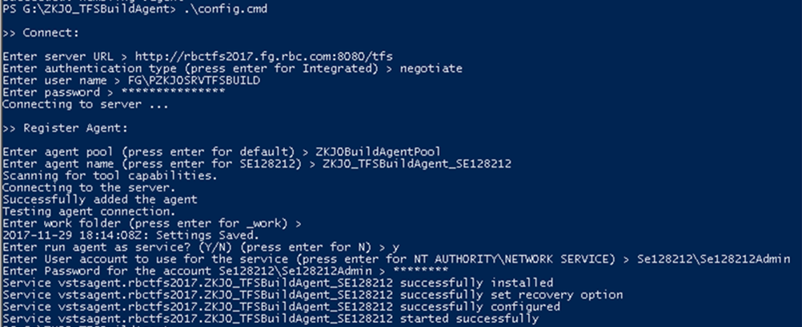
Agent Installation
 |  | Back
 | 01. Download setup file from TFS http://rbctfs2017.fg.rbc.com:8080/tfs/DefaultCollection/UKC0/_admin/_AgentQueue?_a=agents&queueId=123
 | 02. Open the powershell prompt.
 | 03. Navigate to the path where the Build Agent bits are located.
 | 04. At the PS prompt, enter the command - .\config.cmd and then follow the steps as given below…

Roles&Permissions_Approval Flow
Roles and Permissions for UKC0 and Approval Workflow |  | Back

UKC0 - Roles and Permissions

User Group (for UCD) | Description
ACCOUNTS\APP_UQJ0_UKC0_Readers
ACCOUNTS\APP_UQJ0_UKC0_BuildAdmins
ACCOUNTS\APP_UQJ0_UKC0_ReleaseAdmins
ACCOUNTS\APP_UQJ0_UKC0_AgileAdmins
ACCOUNTS\APP_UQJ0_UKC0_Developers | Responsible for deploying into DEV environment and manage properties for DEV environment
ACCOUNTS\APP_UQJ0_UKC0_DevLeads | Responsible for designing the application and component processes used for deployment, manage properties for DEV, Controlled Test, and PROD environments, and they can deploy into DEV environment
ACCOUNTS\APP_UQJ0_UKC0_QATeam
ACCOUNTS\APP_UQJ0_UKC0_QALeads
ACCOUNTS\APP_UQJ0_UKC0_QADeployers | Responsible for initiating the deployment process into Controlled Test environments
ACCOUNTS\APP_UQJ0_UKC0_ProdApprovers | Responsible for approving a PROD deployment by adding an approval status to the component versions
ACCOUNTS\APP_UQJ0_UKC0_ProdDeployers | Responsible for initiating the deployment process into PROD envrionments

PUKC0SRVTFSBuild | Service ID

UKC0 - Approval Workflow

Please refer the below workflow diagram for UKC0 approval process to promote the deployment process from DEV, INT, QAT, OAT, PERF and PROD
UKC0 - Approval Workflow

Dev
QAT
OAT, PERF
PROD_SCC
PROD_GCC
Dev Lead
Sign Off
QA Lead
Approval
QA Lead
Approval
Prod
Approval
dev
sai
fg
DC
DC
DC
DEV
INT
QA, QA_Env1,2,3,4
PERF
OAT

